Features
Sr. No. | Features | Priority | Quiz Qs
1 | Logo | Phase 1 | Remove lifestyle quiz Q
2 | Color theme |  | If a first time/current/previous pet owner
3 | Multiple pics |  | Like to adopt a (dog/cat)
4 | Distance from home calc |  | Curretnyl have dog/cat/none
5 | Filters on the left side of the site with logo+ pet name search bar |  | Nearby amenities none/nearby part/outdoor area
6 | Tagline |  | Like to adopt a male/female
7 | New pet parent tips |  | Open/not to adopt a dog with special needs
8 | Event organizations
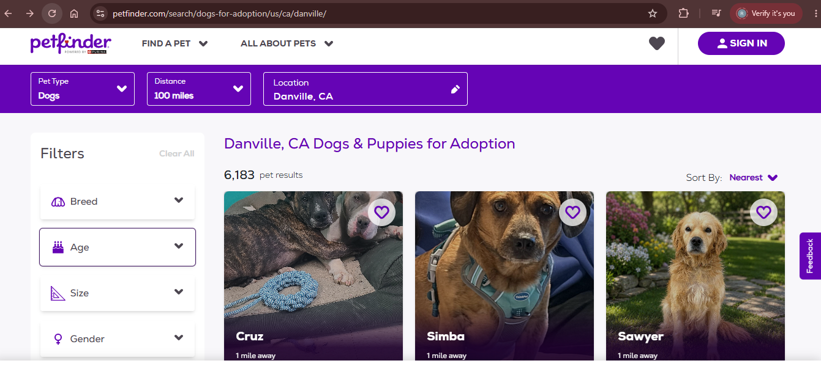
9 | Are you ready for a new pet checklist
10 | Adoption fees per pet
11 | Associated services: dog licensing, pet counseling, assistance, advice
12 | Contact info to individual shelter
13 | Success stories
14 | Breed
15 | Compare selection
16 | Our mission
17 | Interface Disclaimer
18 | Sign in option

